Strategy
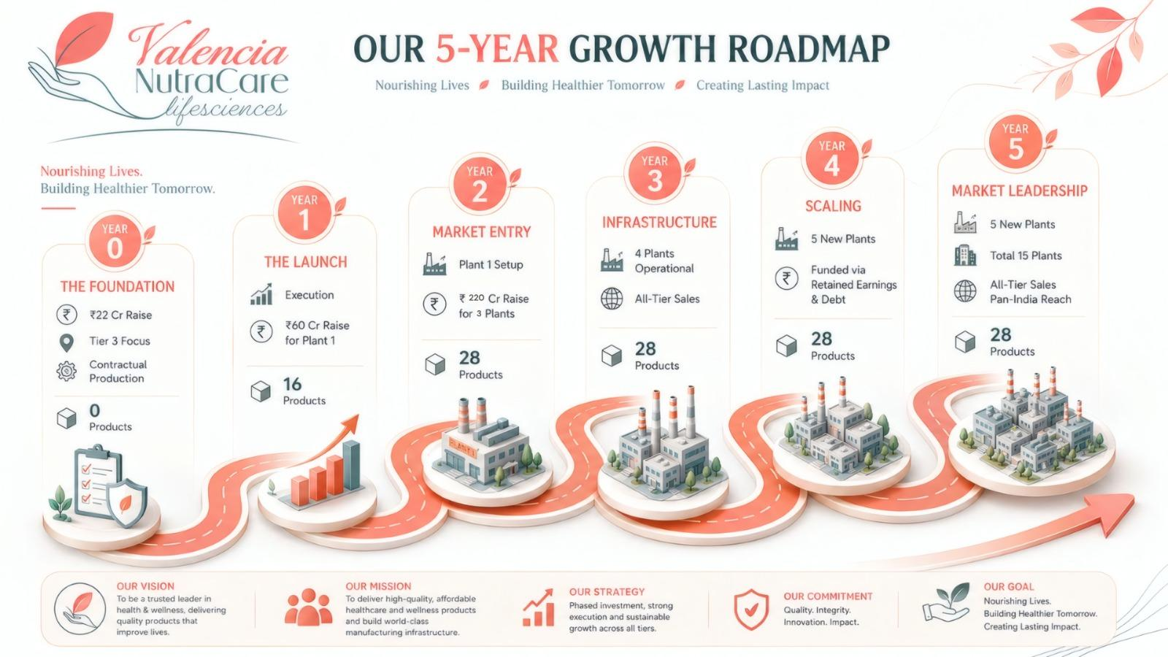

Years | 1 | 2 | 3 | 4 | 5
Tiers Targetted | Tier 3 | Tier 1 & 3 | All Tiers | All Tiers | All Tiers
Investor Capital Deployed (in Cr) | 22 | 60 | 220 | 0 | 0
Products (SKUs) | 3 | 11 | 32 | 32 | 32
Manufacturing | Contract Manufacturing | Contract, In-house & Third Party Manufacturing | In-house & Third Party Manufacturing | In-house & Third Party Manufacturing | In-house & Third Party Manufacturing

Total Tons Manufactured | 4 ton | 21.25 ton | 60 ton | 150 ton | 270 ton
Plants Set up | 0 | 1 | 2 | 3 | 3
Total Plants | 0 | 1 | 3 | 6 | 9

